Login Disable
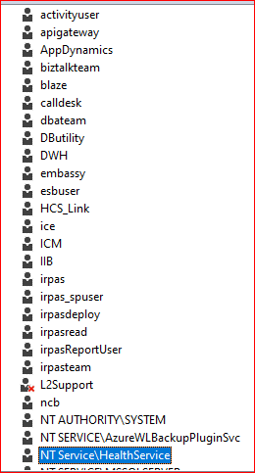
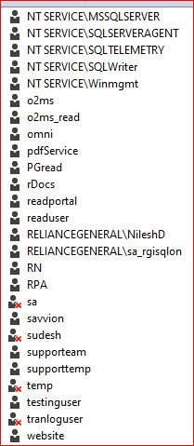
alter login | activityuser | disable
alter login | apigateway | disable
alter login | AppDynamics | disable
alter login | biztalkteam | disable
alter login | blaze | disable
alter login | calldesk | disable
alter login | DButility | disable
alter login | DWH | disable
alter login | embassy | disable
alter login | esbuser | disable
alter login | HCS_Link | disable
alter login | ice | disable
alter login | ICM | disable
alter login | IIB | disable
alter login | irpas | disable
alter login | irpas_spuser | disable
alter login | irpasdeploy | disable
alter login | irpasread | disable
alter login | irpasReportUser | disable
alter login | irpasteam | disable
alter login | ncb | disable
alter login | o2ms | disable
alter login | o2ms_read | disable
alter login | omni | disable
alter login | pdfService | disable
alter login | PGread | disable
alter login | rDocs | disable
alter login | readportal | disable
alter login | readuser | disable
alter login | RN | disable
alter login | RPA | disable
alter login | savvion | disable
alter login | supporteam | disable
alter login | supporttemp | disable
alter login | testinguser | disable
alter login | website | disable

